BOM
Item | Part Number | Thumbnail | BOM Structure | Unit QTY | QTY | Stock Number | Description | REV
1 | bosch_3842547836_6u5hvyo05ag2294jqeen4vb8k_011 | 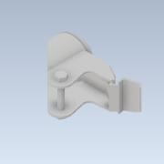 | Normal | 1 | 1
2 | bosch_3842547836_6u5hvyo05ag2294jqeen4vb8k_021 | 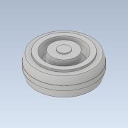 | Normal | 1 | 1

